Tracts
40 | 40 | 40 | 40

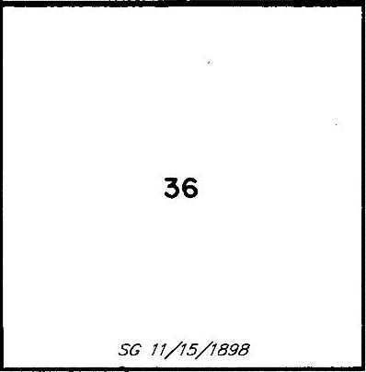

40 | 40 | 40 | 40

40 | 40 | 40 | 40

40 | 40 | 40 | 40

